Hiearchy View
CLASS: TRAP
a container or device used to collect a specified thing. |  | 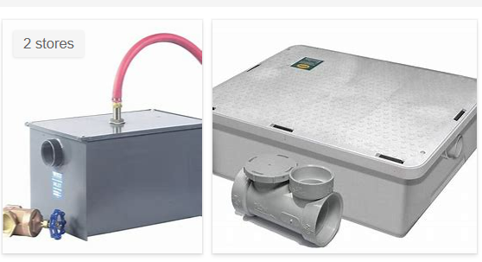
REMOVE | N

PROBLEM_DESC | CAUSE_DESC | REMEDY_DESC
BROKEN/DAMAGED
LEAKING
OTHER PROBLEM
OVERHEATING
PRESSURE
STOPPED/SLOWED/POOR OPS
TEMP-CTRL
Grand Total

